工作表1
Special Thanks: Terranconfederacy、axnone for data pack making and translation service, and return_dirt for special guidance
Chinese Name | Type | Weapon template | hud | voxel | mesh | costume | English Description | Weapon Feature Notes | Credits
超级矮子 | pump action shotgun | mossberg | 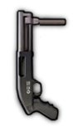 | done | N/A | N/A | Secondary pump action shotgun,5 round capacity, she`s a bad lass | Mossberg，but with less rounds in the tube and less buck per shot | uzukimiku hud：KFredfox
 |  |  |  | weapon | projectile | animation
English Name | File Name | Projectile template |  | done | N/A | N/A
Supershorty | supershorty.weapon | mossberg |  | audio | addon
 |  |  |  | done | N/A

Chinese Name | Type | Weapon template | hud | voxel | mesh | costume | English Description | Weapon Feature Notes | Credits
89式重机枪 | HMG | zjx19_mg.weapon |  | done | N/A | N/A | QJZ89 is the lightest 12.7mm HMG in service, it packs quite a punch, but is still rather cumbersome for a single infantryman | Weapon stats same as ZJX19, but with faster overheat | KFredfox Audio：Lians/ Tu_fox
 |  |  |  | weapon | projectile | animation
English Name | File Name | Projectile template |  | done | N/A | N/A
QJZ89 HMG | qbz89.weapon | 50cal_bullet.projectile (vanilla) |  | audio | addon
 |  |  |  | done | N/A

Chinese Name | Type | Weapon template | hud | voxel | mesh | costume | English Description | Weapon Feature Notes | Credits
VKS“排气者” | suppressed sniper rifle | psg90 |  | done | N/A | N/A | VKS "Vykhlop" is a sniper rifle firing subsonic 12.7x54 bulllets, can silently pierce bodies | Forced crouching while shooting, fires 4 bullets at the same time, but accuracy is fixed at 1 to prevent bullet scatter, same bullet speed as vss | KFredfox Audio：hamster
 |  |  |  | weapon | projectile | animation
English Name | File Name | Projectile template |  | done | N/A | N/A
VKS | vks.weapon | psg90 |  | audio | addon
 |  |  |  | done | N/A

Chinese Name | Type | Weapon template | hud | voxel | mesh | costume | English Description | Weapon Feature Notes | Credits
Mk47“突变者” | suppressed assault rifle | p416 |  | done | N/A | N/A | An AR chambered in 7.62*39mm, boasting higher ergonomics than the AK serie | Higher kill chance than P416, but comes with higher recoil as well. Only dropped by off duty veteran with very low drop rate ai weapon is superior to the player one from every aspect | KFredfox Audio：hamster
 |  |  |  | weapon | projectile | animation
English Name | File Name | Projectile template |  | done | N/A | N/A
Mk47 Mutant | mk47.weapon mk47_ai.weapon | p416 |  | audio | addon
 |  |  |  | done | N/A

Chinese Name | Type | Weapon template | hud | voxel | mesh | costume | English Description | Weapon Feature Notes | Credits
RPK16 | LMG | stoner_lmg |  | done | N/A | N/A | The latest of the RPK LMG series, she adopted a quick detach gun barrel design | New "change barrel" animation and added backpack attachment voxel model | KFredfox Audio：Lians/ hamster
 |  |  |  | weapon | projectile | animation
English Name | File Name | Projectile template |  | done | N/A | done
RPK16 | rpk16.weapon | stoner_lmg |  | audio | addon
 |  |  |  | done | done

Chinese Name | Type | Weapon template | hud | voxel | mesh | costume | English Description | Weapon Feature Notes | Credits
RPK16（加长枪管） | LMG | stoner_lmg |  | done | N/A | N/A | The longer barrel turns the gun heavier and prohibits it from firing on the move, but provides better firepower | Forced crouching while shooting, longer damage falloff range, lower movement speed, lower recoil, slower recoil recovery | KFredfox Audio：Lians/ hamster
 |  |  |  | weapon | projectile | animation
English Name | File Name | Projectile template |  | done | N/A | done
RPK16 - long barrel | rpk16_long.weapon | stoner_lmg |  | audio | addon
 |  |  |  | done | done

Chinese Name | Type | Weapon template | hud | voxel | mesh | costume | English Description | Weapon Feature Notes | Credits
M249 | MG | m240 |  | done | N/A | N/A | Chambered in 5.56 nato ammo, M249 has a lower kill chance than basic machineguns while doesnt weight as much. | lower kill probability, higher move speed, slight sight range buff | KFredfox Audio：MOLPFZ
 |  |  |  | weapon | projectile | animation
English Name | File Name | Projectile template |  | done | N/A | N/A
M249 | m249.weapon | m240 |  | audio | addon
 |  |  |  | done | N/A

Chinese Name | Type | Weapon template | hud | voxel | mesh | costume | English Description | Weapon Feature Notes | Credits
M249（消音器） | MG | m240 |  | done | N/A | N/A | A suppressed machinegun can proof itself in danegr situations. Remember not to play solo | lower kill probability and shorter kill decay start time | KFredfox Audio：MOLPFZ
 |  |  |  | weapon | projectile | animation
English Name | File Name | Projectile template |  | done | N/A | N/A
M249 suppressed | m249_s.weapon | m240 |  | audio | addon
 |  |  |  | done | N/A

Chinese Name | Type | Weapon template | hud | voxel | mesh | costume | English Description | Weapon Feature Notes | Credits
中国湖泵动榴弹（高爆弹） | pump action GL | mossberg |  | done | N/A | N/A | (cancelled)
 |  |  |  | weapon | projectile | animation
English Name | File Name | Projectile template |  | testing | done | N/A
China Lake(HE) | cnlake_he.weapon | cnlake_he.projectile |  | audio | addon
 |  |  |  | done | N/A

Chinese Name | Type | Weapon template | hud | voxel | mesh | costume | English Description | Weapon Feature Notes | Credits
中国湖泵动榴弹（高爆破甲弹） | pump action GL | mossberg |  | done | N/A | N/A | A pump action grenade launcher with high explosive dual-purpose anti tank rounds, trades blast radius for higher damage against vehicles | Same damage as normal hand grenades, can damage tanks | uzukimiku hud：KFredfox Audio：wom404
 |  |  |  | weapon | projectile | animation
English Name | File Name | Projectile template |  | done | done | N/A
Chinalake - HEDP | cnlake_at.weapon | chinalake.projectile |  | audio | addon
 |  |  |  | done | N/A

Chinese Name | Type | Weapon template | hud | voxel | mesh | costume | English Description | Weapon Feature Notes | Credits
87式榴弹发射器(便携) | automatic GL | m60e4 |  | testing | N/A | N/A | (cancelled)
 |  |  |  | weapon | projectile | animation
English Name | File Name | Projectile template |  | testing | testing | N/A
QBZ-87（assault） | qbz87.weapon | rgm40.projectile (vanilla) |  | audio | addon
 |  |  |  | testing | N/A

Chinese Name | Type | Weapon template | hud | voxel | mesh | costume | English Description | Weapon Feature Notes | Credits
87式自动榴弹发射器 | automatic GL | m240 |  | done | N/A | N/A | QBZ87 is a portable auto grenade launcher, could rain down a barrage of grenades onto the enemy once deployed | Slightly modified data based off GL deployable, faster overheat | KFredfox Audio：Lians Tu_fox
 |  |  |  | weapon | projectile | animation
English Name | File Name | Projectile template |  | done | done | N/A
QBZ87 GL | qbz87_b.weapon | mounted_gl.projectile (vanilla) |  | audio | addon
 |  |  |  | done | N/A

Chinese Name | Type | Weapon template | hud | voxel | mesh | costume | English Description | Weapon Feature Notes | Credits
KS-23（独头弹） | 泵动霰弹枪 | mossberg |  | testing | N/A | N/A | (cancelled)
 |  |  |  | weapon | projectile | animation
English Name | File Name | Projectile template |  | testing | N/A | N/A
KS23 - slug | ks23_s.weapon | mossberg |  | audio | addon
 |  |  |  | testing | N/A

Chinese Name | Type | Weapon template | hud | voxel | mesh | costume | English Description | Weapon Feature Notes | Credits
KS-23 | pump action shotgun | mossberg |  | done | N/A | N/A | Having the largest caliber of any shotgun in service, Russians show everyone how they get things done. Her insanely large amounts of buckshots could pierce enemies with ease | Shoots 10 bullet at the same time | KFredfox Audio：wom404
 |  |  |  | weapon | projectile | animation
English Name | File Name | Projectile template |  | done | N/A | N/A
KS-23 | ks23_b.weapon | mossberg |  | audio | addon
 |  |  |  | done | N/A

Chinese Name | Type | Weapon template | hud | voxel | mesh | costume | English Description | Weapon Feature Notes | Credits
KSG（霰弹） | pump action shotgun | uts |  | done | N/A | N/A | Shotgun with dual magazines, can hold multiple types of ammunition at the same time, and switch between magazines via a switching wedge | Similar to UTS | KFredfox Audio：wom404 MOLPFZ
 |  |  |  | weapon | projectile | animation
English Name | File Name | Projectile template |  | done | N/A | N/A
KSG - buckshot | ksg_b.weapon | uts |  | audio | addon
 |  |  |  | done | N/A

Chinese Name | Type | Weapon template | hud | voxel | mesh | costume | English Description | Weapon Feature Notes | Credits
KSG（独头弹） | pump action shotgun | uts |  | done | N/A | N/A | Slug shells make up for the lack of firepower at mid ranges common for conventional buckshots, but still has a hard time keeping up with rifles | Shoots 4 slow bullet at the same time, but accuracy is fixed at 1 to avoid bullet scatter | KFredfox Audio：wom404 MOLPFZ
 |  |  |  | weapon | projectile | animation
English Name | File Name | Projectile template |  | done | N/A | N/A
KSG - slug | ksg_s.weapon | uts |  | audio | addon
 |  |  |  | done | N/A

Chinese Name | Type | Weapon template | hud | voxel | mesh | costume | English Description | Weapon Feature Notes | Credits
SV-98 | sniper rifle | psg90 |  | done | N/A | N/A | The SV98, a light durable sniper rifle with a signature dark green plywood stock, comes with a sidearm just in case | Added backpack attachment voxel model | KFredfox Audio：wom404
 |  |  |  | weapon | projectile | animation
English Name | File Name | Projectile template |  | done | N/A | N/A
SV-98 | sv98.weapon | psg90 |  | audio | addon
 |  |  |  | done | done

Chinese Name | Type | Weapon template | hud | voxel | mesh | costume | English Description | Weapon Feature Notes | Credits
MP443“乌鸦” | semi-automatic pistol | beretta_m9 |  | done | N/A | N/A | MP443 is a nimble semi auto pistol, has considerable stopping power at close range | Added backpack model & SV98 model | KFredfox Audio：wom404
 |  |  |  | weapon | projectile | animation
English Name | File Name | Projectile template |  | done | N/A | N/A
MP443 Grach | mp443.weapon | beretta_m9 |  | audio | addon
 |  |  |  | done | done

Chinese Name | Type | Weapon template | hud | voxel | mesh | costume | English Description | Weapon Feature Notes | Credits
OTS-14/ GP25 GL | 手枪 | aks74u |  | done | N/A | N/A | OTS14, more commonly known as the "Groza", is an outstanding bullpup assault rifle, equipped with GP-25 under barrel grenade launcher | P90 + AKS74U hybrid | KFredfox Audio：wom404
 |  |  |  | weapon | projectile | animation
English Name | File Name | Projectile template |  | done | N/A | N/A
OTS-14/ GP25 GL | ots14.weapon | aks74u |  | audio | addon
 |  |  |  | done | N/A

Chinese Name | Type | Weapon template | hud | voxel | mesh | costume | English Description | Weapon Feature Notes | Credits
OTS-14/ GP25 GL | 手枪 | m79 |  | done | N/A | N/A | Special VOG-25PM grenades will detonate after bouncing, lethal even to enemies behind cover | Generate a sub-throwable on top of impact point, detonates almost immediately | KFredfox
 |  |  |  | weapon | projectile | animation
English Name | File Name | Projectile template |  | done | N/A | N/A
OTS-14/ GP25 GL | ots14_g.weapon | ots14_g.projectile ots14_sub.projectile |  | audio | addon
 |  |  |  | done | N/A

Chinese Name | Type | Weapon template | hud | voxel | mesh | costume | English Description | Weapon Feature Notes | Credits
AR-15 | assault rifle | m16 |  | done | N/A | N/A | A classic AR, has a shiny aqua paint finish | Slightly buffed M16 | KFredfox Audio：Lians
 |  |  |  | weapon | projectile | animation
English Name | File Name | Projectile template |  | done | N/A | N/A
AR15 | ar15.weapon | m16 |  | audio | addon
 |  |  |  | done

Chinese Name | Type | Weapon template | hud | voxel | mesh | costume | English Description | Weapon Feature Notes | Credits
AR-15（热成像） | assault rifle | m16 |  | done | N/A | N/A | Equipped with thermal imaging system, but comes with other aim penalties | Increased bullet speed and kill chance, lower movement speed and recoil recovery, similar to STG-44 Vampir | KFredfox Audio：Lians
 |  |  |  | weapon | projectile | animation
English Name | File Name | Projectile template |  | done | N/A | N/A
AR15 - thermal | ar15_th.weapon | m16 |  | audio | addon
 |  |  |  | done | N/A
 |  | s
Chinese Name | Type | Weapon template | hud | voxel | mesh | costume | English Description | Weapon Feature Notes | Credits
M14EBR（绿曳光弹） | assault rifle | vss |  | done | N/A | N/A | An enhanced battle rifle with a small magazine, | Similar to VSS, but without suppressor | KFredfox
 |  |  |  | weapon | projectile | animation
English Name | File Name | Projectile template |  | done | done | N/A
M14EBR | m14ebr.weapon | vss |  | audio | addon
 |  |  |  | done | N/A

Chinese Name | Type | Weapon template | hud | voxel | mesh | costume | English Description | Weapon Feature Notes | Credits
M14EBR（绿曳光弹） | assault rifle | vss |  | done | N/A | N/A | Upgraded with green tracers | New ammo type | KFredfox
 |  |  |  | weapon | projectile | animation
English Name | File Name | Projectile template |  | done | done | N/A
M14EBR - green tracer | m14ebr_green.weapon | bullet_tracer_green.projectile |  | audio | addon
 |  |  |  | done | N/A

Chinese Name | Type | Weapon template | hud | voxel | mesh | costume | English Description | Weapon Feature Notes | Credits
M14EBR（红曳光弹） | assault rifle | vss |  | done | N/A | N/A | Upgraded with red tracers | New ammo type | KFredfox Audio：hamster
 |  |  |  | weapon | projectile | animation
English Name | File Name | Projectile template |  | done | done | N/A
M14EBR - red tracer | m14ebr_red.weapon | bullet_tracer_red.projectile |  | audio | addon
 |  |  |  | done | N/A

Chinese Name | Type | Weapon template | hud | voxel | mesh | costume | English Description | Weapon Feature Notes | Credits
FHJ01式单兵火箭筒 | secondary rocket launcher | m202 |  | done | N/A | N/A | A dual shot napalm launcher, the stalemate breaker | Same damage as XM-25, but with 2 warheads at once, slightly bigger blast radius | KFredfox Model：tu_fox
 |  |  |  | weapon | projectile | animation
English Name | File Name | Projectile template |  | done | done | N/A
FHJ01 - FAE | fhj01.weapon | fhj01_rocket.projectile |  | audio | addon
 |  |  |  | done | N/A

Chinese Name | Type | Weapon template | hud | voxel | mesh | costume | English Description | Weapon Feature Notes | Credits
FHJ01式单兵火箭筒 | secondary rocket launcher | m202 |  | N/A | N/A | N/A | scripts and animation rework scripts testing will be done in vanilla rework pack | now a player can only deploy 5 sandbags in a map; animation is faster | KFredfox Model：tu_fox
 |  |  |  | weapon | projectile | animation
English Name | File Name | Projectile template |  | N/A | N/A | rework
FHJ01 - FAE | fhj01.weapon | fhj01_rocket.projectile |  | audio | addon | scripts
 |  |  |  | N/A | N/A | testing

Chinese Name | Type | Weapon template | hud | voxel | mesh | costume | English Description | Weapon Feature Notes | Credits
MRL发射架部署包 | primary deployable | sandbag |  | N/A | done | N/A | A makeshift rocket launch rail, comes in handy when you don`t have a fixed launch pad | MRL deploy pack allows you to deploy an MRL ''vehicle'' on the map for 30rp, you cannot deploy more than 3 MRL per map for one player. If the player is killed or left the server, deployed ''vehicles'' will be destroyed via sctipts. | return_dirt hud:KFredfox
 |  |  |  | weapon | projectile | animation
English Name | File Name | Projectile template |  | done | done | N/A
MRL deploy | mrl_recource.weapon | mrl_rocket.weapon |  | audio | addon
 |  |  |  | N/A | done

Chinese Name | Type | Weapon template | hud | voxel | mesh | costume | English Description | Weapon Feature Notes | Credits
MRL激光引导器 | primary weapon | binoculars |  | done | done | N/A | The laser rangefinder for guiding MRL missiles | When MRL is deployed, it will have a fixed firing arc. Players may use the MRL rangefinder to designate the point of impact (only works when inside the firing arc). The point of impact will then generate a scripted strike, much like the 1 round mortar call-in. The amount of warheads depend on the number of deployed MRL within their firing arc. When the MRL is successfully triggered, a particle effect will play on the launcher itself and will self-destruct via scripts. | return_dirt hud:KFredfox
 |  |  |  | weapon | projectile | animation
English Name | File Name | Projectile template |  | done | done | N/A
MRL terminal | mrl_terminal.weapon | mrl_terminal.projectile |  | audio | addon | scripts
 |  |  |  | N/A | done | done

Chinese Name | Type | Weapon template | hud | voxel | mesh | costume | English Description | Weapon Feature Notes | Credits
MRL发射架 | vehicle | N/A |  | done | done | N/A | The MRL vehicle and its mapview icon | The MRL launcher body itself is inaccessible to players. it's triggered by the ''MRL'' script.It will destruct instantly when it detects that the player has insufficient RP or the number of MRL in the map is bigger than 3. | return_dirt hud:KFredfox
 |  |  |  | weapon | projectile | animation
English Name | File Name | Projectile template |  | done | done | N/A
MRL | mrl.vehicle |  |  | audio | addon | scripts
 |  |  |  | N/A | N/A | done

Chinese Name | Type | Weapon template | hud | voxel | mesh | costume | English Description | Weapon Feature Notes | Credits
海军服 | vest | vest2 |  | done | N/A | done | Navy Uniform functions much like vest type II, but with more resilience. Can only be obtained by Navy Uniform Squad Equipment Kit | Added skin model, 4 in total: common soldier, 5 star general and their Vet pack DLC counterparts. See below for details | KFredfox
 |  |  |  | weapon | projectile | animation
English Name | File Name | Projectile template |  | done | N/A | N/A
Navy Uniform | vest_navy.carry_item | N/A |  | audio | addon
 |  |  |  | N/A | N/A


Chinese Name | Type | Weapon template | hud | voxel | mesh | costume | English Description | Weapon Feature Notes | Credits
海军护甲部署包 | 部署包（一次性） | squad_equipment_kit.weapon |  | N/A | done | N/A | Useful when you want to assemble a navy squad | Same model as Squad Equipment Kit, new scripts, equip nearby friendlies with navy uniform and skin. May spawn a tribal warrior | KFredfox
 |  |  |  | weapon | projectile | animation
English Name | File Name | Projectile template |  | done | done | N/A
Squad Equipment Kit - Navy | squad_equipment_kit_navy.weapon | squad_equipment_kit_navy.projectile |  | audio | addon | scripts
 |  |  |  | N/A | N/A | done

Chinese Name | Type | Weapon template | hud | voxel | mesh | costume | English Description | Weapon Feature Notes | Credits
旗帜 | banner | N/A |  | N/A | done | N/A | Popular emotes from the CN community :p | New backside texture for all banners, so that playes can distinguish different banners even when held from behind | KFredfox
 |  |  |  | weapon | projectile | animation
English Name | File Name | Projectile template |  | done | N/A | N/A
Banner | banner_clover.weapon banner_pig.weapon | N/A |  | audio | addon
 |  |  |  | N/A | N/A

Chinese Name | Type | Weapon template | hud | voxel | mesh | costume | English Description | Weapon Feature Notes | Credits
夏日冷饮箱 | gift box | N/A |  | N/A | done | N/A | Unexpected surprises await in the Cooler Box | Plan is to have them dropped by normal soldiers with low chance, and dropped by off duty veteran enemies with 100% chance. If drop rate is too low, it will impact players` motivation. To balance this, most drop from boxes will be beverages(loot), new guns will have low chances (Two colours available, depending on preferences. Alternatively the eventg can be split into two parts, if it is deemed that there are too much content for a single event) | KFredfox
 |  |  |  | weapon | projectile | animation
English Name | File Name | Projectile template |  | done | N/A | N/A
Cooler Box | cooler_box_1.carry_item cooler_box_2.carry_item | N/A |  | audio | addon
 |  |  |  | N/A | N/A

Chinese Name | Type | Weapon template | hud | voxel | mesh | costume | English Description | Weapon Feature Notes | Credits
椰奶 橙汁 狐狸棒冰 | valuables | N/A |   | done | done | N/A | Refreshing beverages | Can add additional loot according to plans sq stands for syrup queen or "square", which is Return_dirt's another nickname | return_dirt KFredfox
 |  |  |  | weapon | projectile | animation
English Name | File Name | Projectile template |  | done | N/A | N/A
coconut orange juice foxicle | coconut.carry_item orange_juice.carry_item foxicle.carry_item snowpeak_coffee.carry_item | N/A |  | audio | addon
 |  |  |  | N/A | N/A
 |  |  |  |  |  |  |  | yh
Chinese Name | Type | Weapon template | hud | voxel | mesh | costume | English Description | Weapon Feature Notes | Credits
太平洋旅游指南 | valuables | N/A |  | N/A | done | N/A | also try Pacific! it's gonna be a tough journey | retextured magzine | KFredfox
 |  |  |  | weapon | projectile | animation
English Name | File Name | Projectile template |  | done | N/A | N/A
Pacific travel guide | pacific_travel_guide.carry_item | N/A |  | audio | addon
 |  |  |  | N/A | N/A


Chinese Name | Type | Weapon template | hud | voxel | mesh | costume | English Description | Weapon Feature Notes | Credits
沙滩躺椅 | secondary deployable/ vehicle | N/A |  | N/A | done | N/A | Sunbathes on beach loungers, marking the start of a long holiday. What could possibly go wrong? | Similar to Christmas tree, funnies | return_dirt KFredfox
 |  |  |  | weapon | projectile | animation
English Name | File Name | Projectile template |  | done | N/A | done
lounger | lounger.carry_item lounger.vehicle | N/A |  | audio | addon
 |  |  |  | N/A | N/A

Chinese Name | Type | Weapon template | hud | voxel | mesh | costume | English Description | Weapon Feature Notes | Credits
海之护身符 | costume | N/A |  | N/A | N/A | done | Born from the salt and brine, passed through generations,the legendary talisman can prevent death once. Say what, you want more? Then face the wraith of the seas | Increased movement speed, lower chance of lethal hit probability, immune to stuns and melee, effects removed once talisman is broken. Small spawn chance in navy equipment kits | KFredfox
 |  |  |  | weapon | projectile | animation
English Name | File Name | Projectile template |  | done | N/A | N/A
ocean talisman | costume_talisman.carry_item | N/A |  | audio | addon
 |  |  |  | N/A | N/A

Chinese Name | Type | Weapon template | hud | voxel | mesh | costume | English Description | Weapon Feature Notes | Credits
花哨的太阳眼镜 | costume | N/A |  | N/A | N/A | done | Wearable Fancy Sunglasses is a prime choice for summer beach parties | Two skins for vanilla and Vet pack DLC respectively, see below for details | KFredfox
 |  |  |  | weapon | projectile | animation
English Name | File Name | Projectile template |  | done | N/A | N/A
Fancy Sunglasses | costume_fancy_sunglasses.carry_item | N/A |  | audio | addon
 |  |  |  | N/A | N/A

Chinese Name | Class | Weapon template | hud | voxel | mesh | costume | English Description | Weapon Feature Notes | Credits
蝎AXN轻型坦克 | vehicle | N/A | 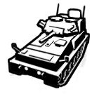 | N/A | done | N/A | A light scout tank, perfect for desert (and beach party) operations, The sting really hurts! | 76mm main gun+coax mg, fires special HESH ammunition, which has larger-than-average blast radius. Has 3 man crew, with the commander using their own weapon (similar to NOXE), can carry up to 2 troopers exposed at the back. Weak at anti armour, so it must rely on the crews` own equipments. Has slightly better armour and slightly worse mobility than Mustella | axnone return_dirt hud: KFredfox
 |  |  |  | weapon | projectile | animation
English Name | File Name | Projectile template |  | done | done | N/A
Scorpio AXN | to do | to do |  | audio | addon | scripts
 |  |  |  | done | N/A | done

Chinese Name | Class | Weapon template | hud | voxel | mesh | costume | English Description | Weapon Feature Notes | Credits
武装气垫船 | vehicle | N/A |  | N/A | done | N/A | An amphibious hovercraft, can carry personnel, also capable of cutting down enemy infantry | Rubber boat that also runs on land, with much better overall performance, also comes equipped with minigun. Can also carry up to 4 personnel, 2 on each side; add the gunner and driver and you have a total crew of 6 | return_dirt KFredfox
 |  |  |  | weapon | projectile | animation
English Name | File Name | Projectile template |  | done | done | N/A
hovercraft | to do | to do |  | audio | addon | scripts
 |  |  |  | testing | N/A | testing

Chinese Name | Type | Weapon template | hud | voxel | mesh | costume | English Description | Weapon Feature Notes | Credits
Mk47 spawner | valuables | N/A | N/A | N/A | N/A | N/A | Gear for spawning the MK47 when dropped by off duty veteran | Off duty veteran has a very small chance of carrying this item, roughly 0.005 chance. Mk47 should be a true to name "hidden" weapon, only the luckiest of players could obtain them
 |  |  |  | weapon | projectile | animation
English Name | File Name | Projectile template |  | done | N/A | N/A
Mk47 spawner | mk47_spawner.carry_item | N/A |  | audio | addon
 |  |  |  | N/A | N/A

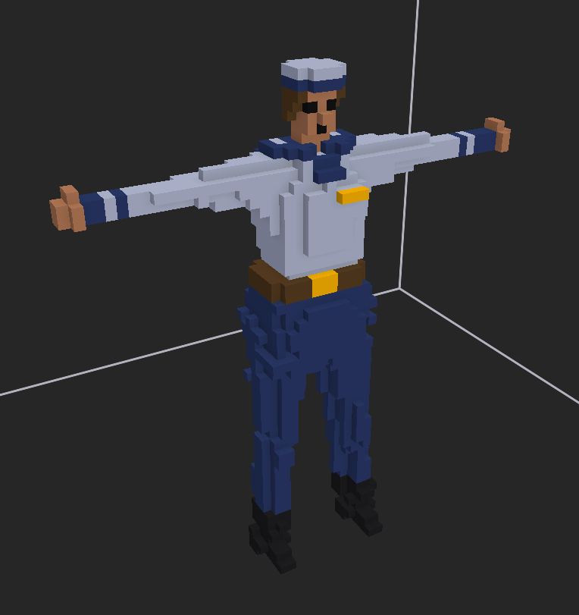
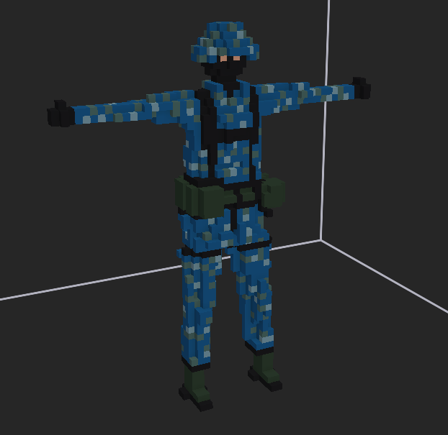
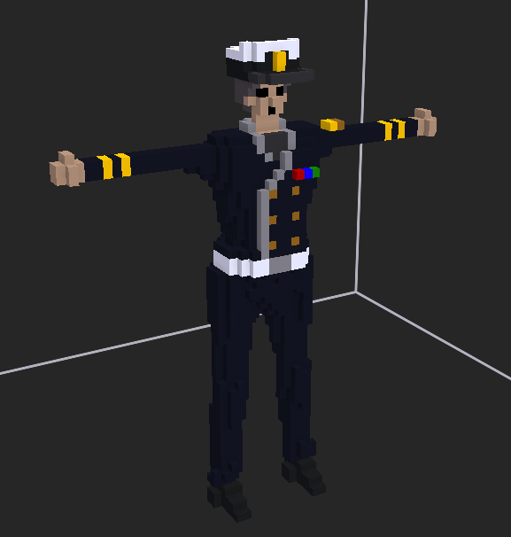
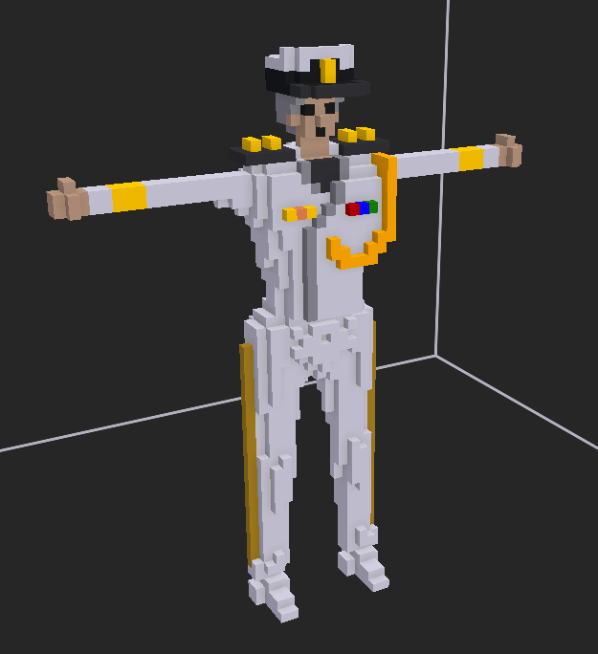
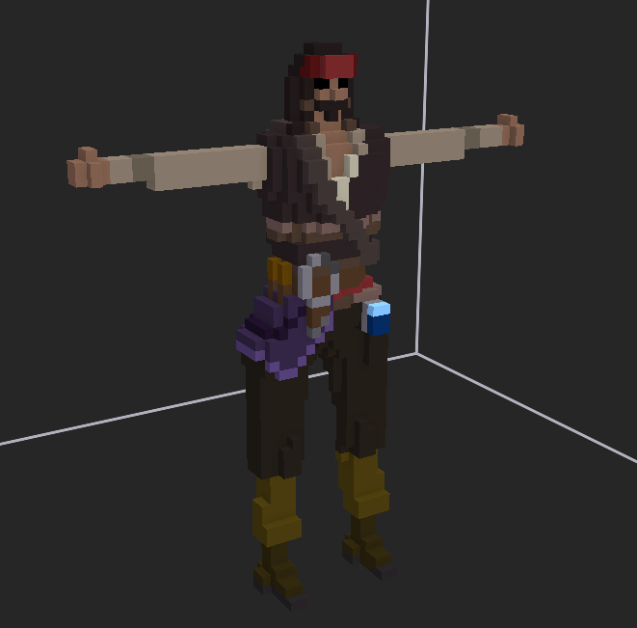



navy
navy alt
navy 5stars
navy 5stars alt
navy sword

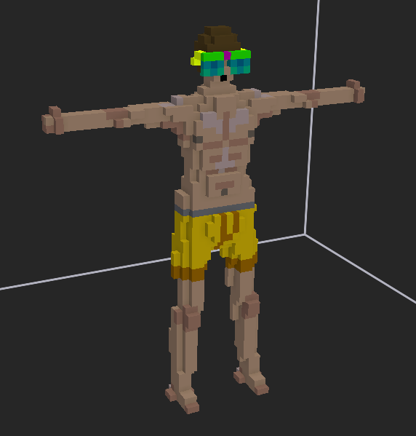
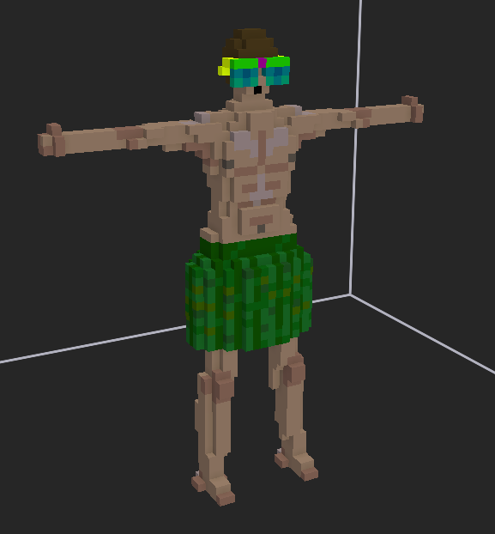
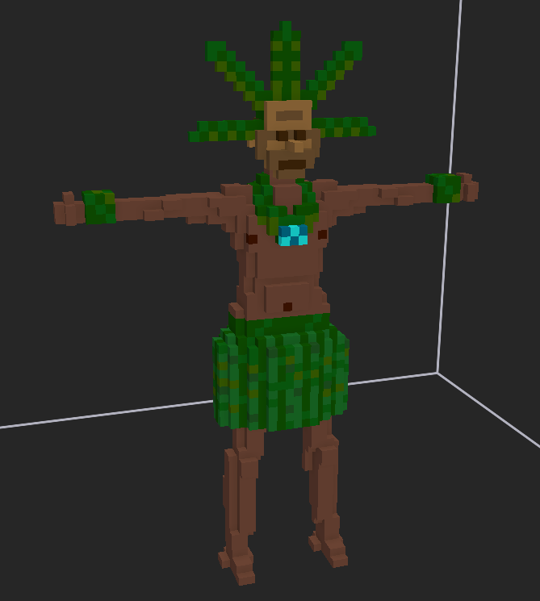
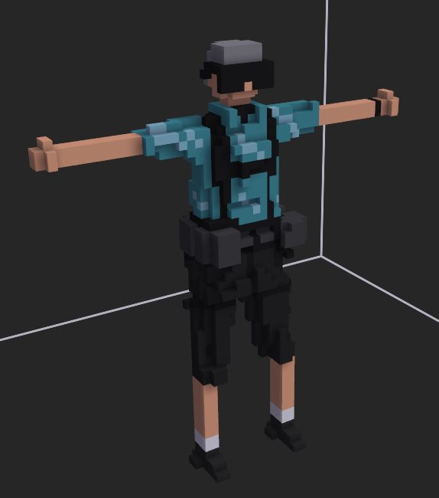
New enemy ai, ''off duty veteran'' designed for the summer event. They were caught in the warzone while enjoying the holidays. They have superb tactical efficiency. Equipped with deadly silenced AR, they are the bane of lonewolf players. They have a guaranteed cooler box drop rate
---- axnone
KFredfox

fancy sunglasses
sunglasses alt
ocean talisman
off duty veteran

